Results
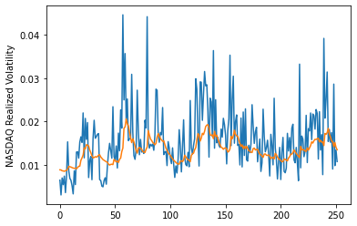
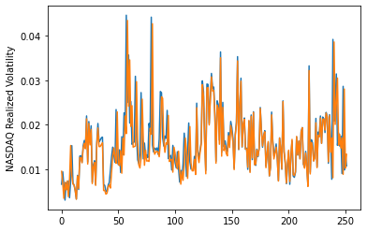
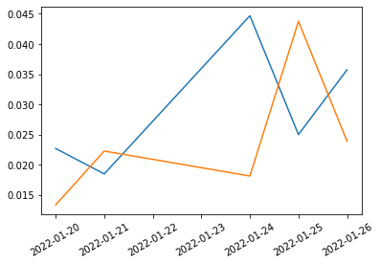
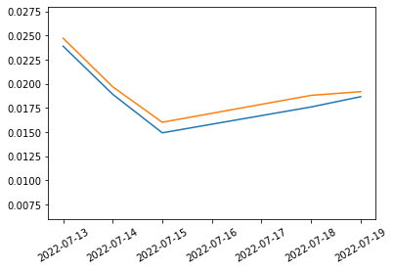
 | LSTM |  | TCN |  | NBEATSx |  |  |  | LSTM |  | TCN |  | NBEATSx
 | Accuracy | RMSE | Accuracy | RMSE | Accuracy | RMSE |  |  | Accuracy | RMSE | Accuracy | RMSE | Accuracy | RMSE
Trial 1 | 70.40% | 0.490% | 70.21% | 0.507% | 82.63% | 0.561% |  | Mean | 69.36% | 0.475% | 68.79% | 0.514% | 82.37% | 0.557%
Trial 2 | 68.76% | 0.455% | 69.79% | 0.464% | 82.87% | 0.556% |  | Standard Deviation | 1.91% | 0.013% | 1.47% | 0.035% | 0.30% | 0.005%
Trial 3 | 70.75% | 0.480% | 67.65% | 0.559% | 82.48% | 0.561% |  | 95% CI upper bound | 73.17% | 0.501% | 71.73% | 0.583% | 82.98% | 0.567%
Trial 4 | 67.68% | 0.460% | 67.13% | 0.474% | 82.48% | 0.555% |  | 95% CI lower bound | 65.54% | 0.449% | 65.84% | 0.445% | 81.77% | 0.548%
Trial 5 | 70.94% | 0.488% | 70.52% | 0.511% | 82.24% | 0.545% |  | 99.7% CI upper bound | 75.08% | 0.514% | 73.21% | 0.618% | 83.28% | 0.572%
Trial 6 | 70.41% | 0.482% | 70.76% | 0.483% | 82.00% | 0.549% |  | 99.7% CI lower bound | 63.64% | 0.436% | 64.37% | 0.410% | 81.47% | 0.543%
Trial 7 | 70.45% | 0.492% | 68.48% | 0.493% | 82.69% | 0.558%
Trial 8 | 70.28% | 0.463% | 65.80% | 0.600% | 82.61% | 0.557%
Trial 9 | 70.10% | 0.497% | 67.97% | 0.524% | 82.59% | 0.558%
Trial 10 | 70.57% | 0.470% | 67.30% | 0.496% | 82.18% | 0.559%
Trial 11 | 65.21% | 0.469% | 68.39% | 0.532% | 82.40% | 0.559%
Trial 12 | 70.32% | 0.470% | 68.89% | 0.519% | 82.12% | 0.560%
Trial 13 | 70.15% | 0.462% | 70.30% | 0.496% | 82.46% | 0.559%
Trial 14 | 65.08% | 0.468% | 68.47% | 0.541% | 82.05% | 0.564%
Trial 15 | 69.26% | 0.476% | 70.17% | 0.508% | 81.77% | 0.560%

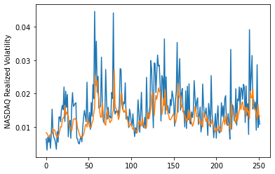
 | LSTM (best trial) |  |  |  |  |  | TCN (best trial) |  |  |  |  |  |  | NBEATSx (best trial)

